Dashboard
Quality Performance Report - Project # - Week 13

This week Concreting |  | No. of sample last week |  | Sample Pass in 7 days strength | Sample fail in 7 days strength |  | Sample fail in 28 days strength |  | Total NCR Open
3200 m3 |  | 120 |  | 110 | Total 10 samples has not been pass in 7 days strength, PMC team check those at 28 days strength if not pass then raise NC |  | 0 |  | 0

 | Site Observation
Open | 10
Close | 65
 | Site Instruction
Open | 5
Close | 70
Quality Performance - Overalll |  |  |  |  |  |  |  | Bad Quality Practice - Week 13
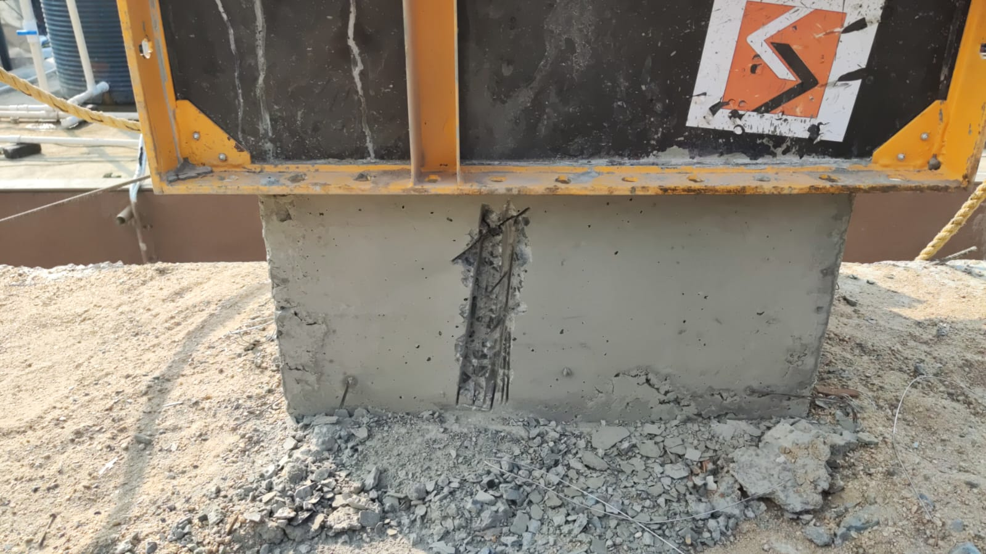
400 mm
Site Observation Success Rate | 86.67%
QPI
Quality Perfromance Rate

Site Instruction Success Rate | 93.33%

93.33%
Non Conformity Success Rate | 100.00%

Previous Week Quality Score
QPI Week 12 | 88%
QPI Week 11 | 85%
QPI Week 10 | 80%

Quality at a Glance Week #13 |  |  | Checklist Summary |  |  | Compressive Test Result

QA Office
A Quality Control office of 3 x 2.5 m² working good. No Action Req.
 | Total
Civil | 10
Electrical | 3
ELV | 6
Fire | 3
Handover | 0
Interior | 3
Mechanical | 3
Mobilization | 1
PC | 5
PD | 5
PEB | 5
Plumbing | 3
Safety | 5
Workpermits | 0
COMPRESSIVE STRENGTH RESULTS OF M25 GRADE OF ONCRETE
 | Compressive strength at 7 days | IS code lower limit
1 | 19.07 | 17
2 | 23 | 17
3 | 22.24 | 17
4 | 18.03 | 17
5 | 18.24 | 17
6 | 19.16 | 17

QA Plan
A Quality Assurance Plan for all materials is aligned with contract req.

Compressive Strength Tests and Slump Tests are performed every certain period as required
Tests

Tests’ Registers
Registers for every test are maintained properly by the quality personnels

Cleaning
Weekly cleaning of the cube pond is performed by the personnels.

QPI
Concrete
Reinforcement
NCR

Sheet2
Row Labels | Sum of No of Checklist Filled
Civil | 10
Electrical | 3
ELV | 6
Fire | 3
Handover | 0
Interior | 3
Mechanical | 3
Mobilization | 1
PC | 5
PD | 5
PEB | 5
Plumbing | 3
Safety | 5
Workpermits | 0
Grand Total | 52

Cube Test
Sample # | Compressive strength at 7 days | IS code lower limit
1 | 19.07 | 17
2 | 23 | 17
3 | 22.24 | 17
4 | 18.03 | 17
5 | 18.24 | 17
6 | 19.16 | 17

COMPRESSIVE STRENGTH RESULTS OF M25 GRADE OF ONCRETE

Organization Chart
